TA21TBA1EX
PRODUCT TECHNICAL SPECIFICATIONS

"BUONA IDEA" RISOTTO WITH TRUFFLES, 210 BAG

UNIT (PRIMARY PACK)
PACKAGING MATERIAL TYPE: | bag

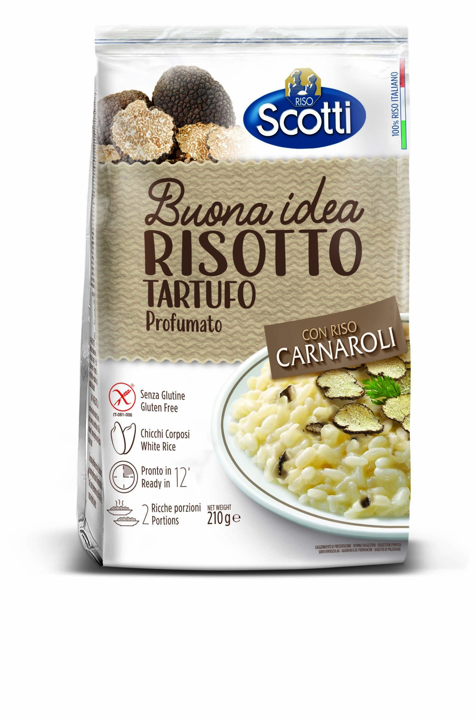
PACKAGING MATERIAL WEIGHT: | plastic |  |  |  |  |  |  |  | KG. |  | 0.011
 | paper/cardboard |  |  |  |  |  |  |  | KG. |  | 0.000
 | glass |  |  |  |  |  |  |  | KG. |  | 0.000

DIMENSION: | MM |  |  | L. |  | 130 |  |  | D. |  | 40 |  |  | H. | 200

NET WEIGHT: | KG. |  | 0.210

GROSS WEIGHT: | KG. |  | 0.221

OUTER CASE (SECONDARY PACK)
TYPE: | display carton

PACKAGING MATERIAL WEIGHT: | plastic |  |  |  |  |  |  |  | KG. |  | 0.000
 | paper/cardboard |  |  |  |  |  |  |  | KG. |  | 0.170

UNITS/CASE: | 10

DIMENSION: | MM |  |  | L. |  | 135 |  |  | D. |  | 380 |  |  | H. | 210

NET WEIGHT: | KG. |  | 2.100

GROSS WEIGHT: | KG. |  | 2.379

PALLET
PALLET TYPE: | 80*115 cm base

PALLET WEIGHT: | wood |  |  |  |  |  |  |  | KG. |  | 20.000
 | plastic |  |  |  |  |  |  |  | KG. |  | 0.500

UNITS/PALLET: | 1360

CASES/PALLET: | 136

CASES/PALLET LAYER: | 17

LAYERS/PALLET: | 8

DIMENSION: | CM. |  |  | L. |  | 115 |  |  | D. |  | 80 |  |  | H. | 187

NET WEIGHT: | KG. |  | 285.600

GROSS WEIGHT: | KG. |  | 344.044

PRODUCT CODE

EAN CODE - UNIT: |  | 8 | 0 | 0 | 1 | 8 | 6 | 0 | 2 | 5 | 7 | 1 | 3 | 1

EAN CODE - OUTER CASE: |  | 8 | 0 | 0 | 1 | 8 | 6 | 0 | 2 | 5 | 7 | 1 | 2 | 4

PRODUCT CODE: |  | TA21TBA1EX

HS CODE: |  | 1904 9010

SHELF LIFE

15 MONTHS FROM THE DATE OF PRODUCTION

